Data
raw data tables with any data transformations done, any base tests like Unit root, Correlation Matrix here.

TABLE 28: GROSS STATE DOMESTIC PRODUCT
(Constant Prices)
(₹ Lakh)
State/Union Territory | Base: 2004-05 |  |  |  |  | Base: 2004-05 |  |  |  |  |  | Base: 2011-12 |  |  |  |  |  | Base: 2011-12
 | 2004-05 | 2005-06 | 2006-07 | 2007-08 | 2008-09 | 2009-10 | 2010-11 | 2011-12 | 2012-13 | 2013-14 | 2014-15 | 2011-12 | 2012-13 | 2013-14 | 2014-15 | 2015-16 | 2016-17 | 2017-18 | 2018-19 | 2019-20 | 2020-21 | 2021-22 | 2022-23
Jharkhand | 5975772 | 5784841 | 5922572 | 7137711 | 7012946 | 7724004 | 8949114 | 9350951 | 10046081 | 10940841 | 11874316 | 15091759 | 16325027 | 16581626 | 18653439 | 17488115 | 19317392 | 21058730 | 22927447 | 23175539 | 21948331 | 24334844 | 25979986
West Bengal | 20865636 | 22178946 | 23907712 | 25763218 | 27024826 | 29195496 | 30883705 | 32341698 | 34777383 | 37179504 | 39838651 | 52048504 | 54219091 | 55853544 | 57436432 | 60954479 | 65341593 | 69498050 | 73892038 | 76190077 | 71123485 | 78775806 | 85402292
-: Not Available. * : Relates to Jammu & Kashmir and Ladakh.
Source: National Statistics Office, Ministry of Statistics and Programme Implementation, Government of India.

TABLE 161: STATE-WISE GROSS FISCAL DEFICIT
(₹ Crore)
State/Union Territory | 2004-05 | 2005-06 | 2006-07 | 2007-08 | 2008-09 | 2009-10 | 2010-11 | 2011-12 | 2012-13 | 2013-14 | 2014-15 | 2015-16 | 2016-17 | 2017-18 | 2018-19 | 2019-20 | 2020-21 (A) | 2021-22 (RE) | 2022-23 (BE)
Jharkhand | 3648 | 4918 | 5257 | 6217 | 3751 | 1783 | 4840 | 1925 | 3404 | 2222 | 6564 | 11522 | 10106 | 11931 | 6252 | 8034 | 14911 | 10983 | 11287
West Bengal | 10653 | 9601 | 11431 | 11400 | 13558 | 24955 | 19535 | 17705 | 19147 | 25348 | 27345 | 20891 | 25385 | 28931 | 33486 | 36831 | 44688 | 53252 | 62397
-: Not Available. A: Actual. RE: Revised Estimates. BE: Budget Estimates.
Notes: 1. Minus sign (-) indicates surplus in deficit indicator.
2. Figures in respect of Jammu & Kashmir relate to revised estimates from 2004-05 to 2009-10.
3. Figures in respect of Manipur relate to revised estimates from 2004-05 to 2008-09.
4. Figures in respect of Jharkhand relate to revised estimates from 2004-05 to 2010-11.
Source: ‘Handbook of Statistics on State Government Finances-2010’ and ‘State Finances: A Study of Budgets’, Reserve Bank of India, various issues.

TABLE 170: STATE-WISE SOCIAL SECTOR EXPENDITURE
(₹ Crore)
State/Union Territory | 2004-05 | 2005-06 | 2006-07 | 2007-08 | 2008-09 | 2009-10 | 2010-11 | 2011-12 | 2012-13 | 2013-14 | 2014-15 | 2015-16 | 2016-17 | 2017-18 | 2018-19 | 2019-20 | 2020-21 (A) | 2021-22 (RE) | 2022-23 (BE)
Jharkhand | 5127 | 6156 | 7392 | 7984 | 9870 | 10036 | 12304 | 10721 | 12025 | 11711 | 17736 | 21898 | 29554 | 29352 | 30220 | 32816 | 34403 | 42577 | 50145
West Bengal | 9732 | 11445 | 13142 | 16192 | 19467 | 27703 | 30557 | 35609 | 40104 | 45582 | 57264 | 67837 | 74698 | 87845 | 94698 | 96429 | 104230 | 127011 | 144920
-: Not Available. A: Actual. RE: Revised Estimates. BE: Budget Estimates.
Notes: 1. Minus sign (-) indicates surplus in deficit indicator.
2. Figures in respect of Jammu & Kashmir relate to revised estimates from 2004-05 to 2009-10.
3. Figures in respect of Manipur relate to revised estimates from 2004-05 to 2008-09.
4. Figures in respect of Jharkhand relate to revised estimates from 2004-05 to 2010-11.
Source: ‘Handbook of Statistics on State Government Finances-2010’ and ‘State Finances: A Study of Budgets’, Reserve Bank of India, various issues.

Final dataset
West Bengal |  |  |  |  |  | Variables Description |  |  |  |  |  | FD | GSDP | mFD | mFD is nothing but gross fiscal deficit as a percentage of GSDP
YR | T | mGSDP | SSE | mFD |  | YR | Year |  |  |  |  | 10653 | 32995977.891 | 0.032285753237
2004-05 | 1 | 32995977.891 | 9732 | 0.032285753237 |  | T | Time |  |  |  |  | 9601 | 35072787.231 | 0.027374499599
2005-06 | 2 | 35072787.231 | 11445 | 0.027374499599 |  | mGSDP | GROSS STATE DOMESTIC PRODUCT |  |  |  |  | 11431 | 37806579.995 | 0.030235477532
2006-07 | 3 | 37806579.995 | 13142 | 0.030235477532 |  | SSE | STATE-WISE SOCIAL SECTOR EXPENDITURE |  |  |  |  | 11400 | 40740793.692 | 0.027981781813
2007-08 | 4 | 40740793.692 | 16192 | 0.027981781813 |  | mFD | STATE-WISE GROSS FISCAL DEFICIT |  |  |  |  | 13558 | 42735843.816 | 0.031725125303
2008-09 | 5 | 42735843.816 | 19467 | 0.031725125303 |  |  |  |  |  |  |  | 24955 | 46168443.681 | 0.054052071091
2009-10 | 6 | 46168443.681 | 27703 | 0.054052071091 |  |  |  |  |  |  |  | 19535 | 48838101.43 | 0.039999507409
2010-11 | 7 | 48838101.43 | 30557 | 0.04 |  | 2011-12 | 2012-13 | 2013-14 | 2014-15 | Base: 2004-05 |  | 17705 | 52048504 | 0.034016347521
2011-12 | 8 | 52048504 | 35609 | 0.034016347521 |  | 9350951 | 10046081 | 10940841 | 11874316 |  |  | 19147 | 54219091 | 0.035314129483
2012-13 | 9 | 54219091 | 40104 | 0.035314129483 |  | 2011-12 | 2012-13 | 2013-14 | 2014-15 | Base: 2011-12 |  | 25348 | 55853544 | 0.045382975161
2013-14 | 10 | 55853544 | 45582 | 0.045382975161 |  | 15091759 | 16325027 | 16581626 | 18653439 |  |  | 27345 | 57436432 | 0.047609155109
2014-15 | 11 | 57436432 | 57264 | 0.047609155109 |  |  |  |  |  |  |  | 20891 | 60954479 | 0.034273117157
2015-16 | 12 | 60954479 | 67837 | 0.034273117157 |  | 1.6139277171 | 1.6250144708 | 1.5155714264 | 1.5709064 |  |  | 25385 | 65341593 | 0.038849680325
2016-17 | 13 | 65341593 | 74698 | 0.038849680325 |  |  |  |  |  |  |  | 28931 | 69498050 | 0.041628506124
2017-18 | 14 | 69498050 | 87845 | 0.041628506124 |  | 1.5813550036 | GSDP | YR | mGSDP | mGSDP is according to base year 2011-12 |  | 33486 | 73892038 | 0.045317467086
2018-19 | 15 | 73892038 | 94698 | 0.045317467086 |  |  | 20865636 | 2004-05 | 32995977.891 |  |  | 36831 | 76190077 | 0.048340940776
2019-20 | 16 | 76190077 | 96429 | 0.048340940776 |  |  | 22178946 | 2005-06 | 35072787.231 |  |  | 44688 | 71123485 | 0.062831566817
2020-21 (A) | 17 | 71123485 | 104230 | 0.062831566817 |  |  | 23907712 | 2006-07 | 37806579.995 |  |  | 53252 | 78775806 | 0.067599435289
2021-22 (RE) | 18 | 78775806 | 127011 | 0.067599435289 |  |  | 25763218 | 2007-08 | 40740793.692 |  |  | 62397 | 85402292 | 0.073062441931
2022-23 (BE) | 19 | 85402292 | 144920 | 0.073062441931 |  |  | 27024826 | 2008-09 | 42735843.816
 |  |  |  |  |  |  | 29195496 | 2009-10 | 46168443.681
 |  |  |  |  |  |  | 30883705 | 2010-11 | 48838101.43
Correlation

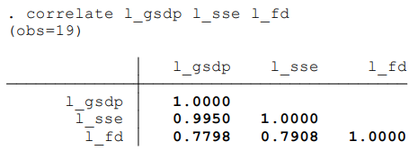

 |  |  |  |  |  |  |  | Social sector expenditure is highly correlated with GSDP. Fiscal deficit as a percentage of GSDP is somewhat correlated with social sector expenditure and GSDP.

 |  |  |  |  |  |  |  | The three graphs, plotted for each variable across time, show that SSE and GSDP have similar time trends while mFD fluctuates with the requirements of each financial year and other things such as policy or political business cycle.

Unit root tests

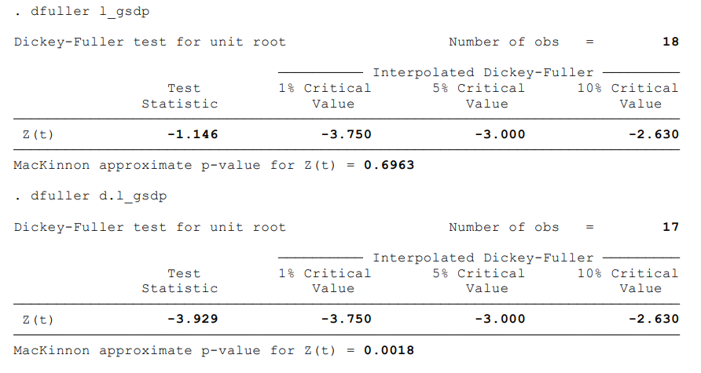
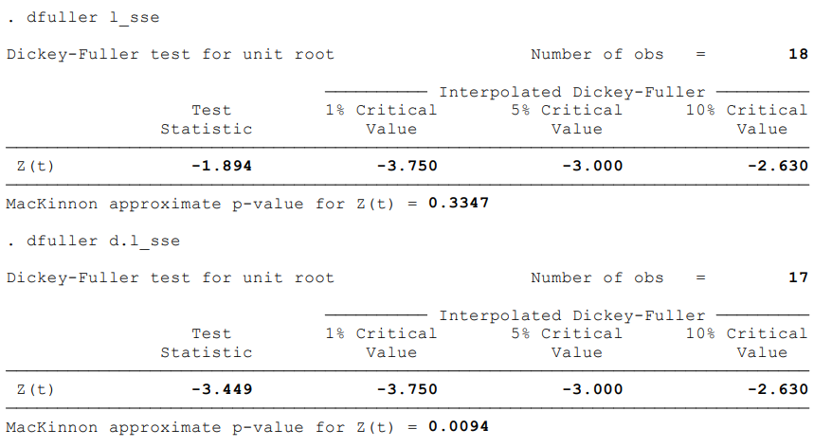
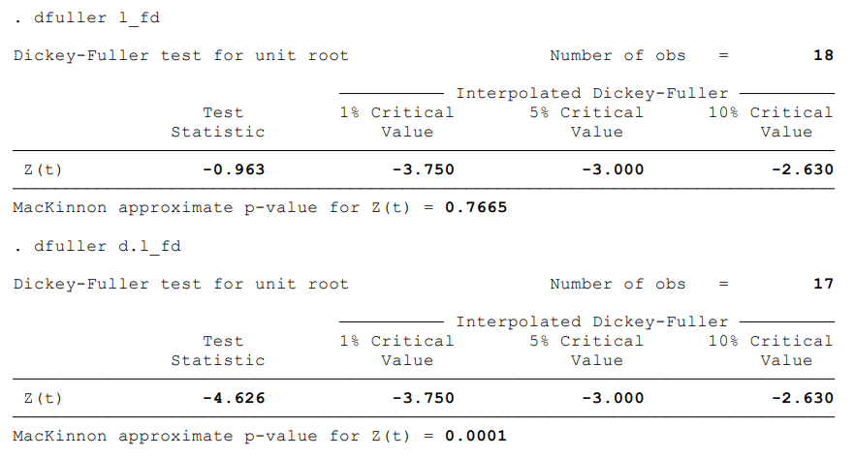

 | Unit root tests done on log of modified GSDP show that it is a non-stationary series of order of integration 1. |  |  |  |  |  |  |  |  |  |  |  | Unit root tests done on log of social sector expenditure show that it is a non-stationary series of order of integration 1. |  |  |  |  |  |  |  |  |  |  | Unit root tests done on log of modified gross fiscal deficit show that it is a non-stationary series of order of integration 1.

Resuts
results

 |  | The Engle Granger test of cointegration is a direct way to check whether two series (which are integrated of order 1) have a long-term relationship or not. It is based on a mechanism which I explain below using an excerpt from the book (mention name of book) by G. S. Maddala.

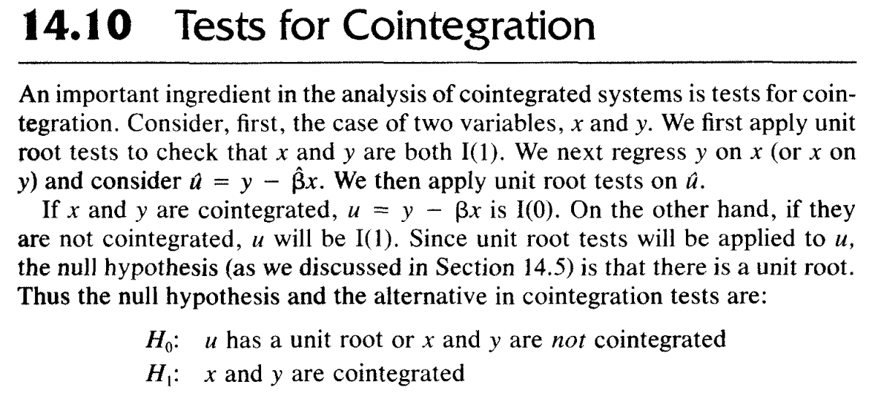

 | log gsdp and log fd are not cointegrated.

 |  | According to the results obtained, it is clear that the variables log gsdp and log sse and log fd are not cointegrated with each other, that is, they do not move together in time, or that they do not have a long-run relationship. This would mean that even though, one seems to be influenced by the other, they are not drawn together in similar trends. Hence, there is scope to limit fiscal deficit without harming the GSDP and hence the Social Sector Expenditure; because by theory and intuition we know that if a governement has to restrict expenditure, the expenditure on social sector would be the first to be curtailed, and that would be harmful to the growth of the economy since we can clearly see that GSDP and SSE nearly follow similar trends. The results from the Granger Causality test show that log sse granger causes log gsdp. This means that given these two series, sse has high predicting power when it comes to gsdp.

 | log sse and log fd are not cointegrated.

 | log gsdp, log sse and log fd are not cointegrated.

 | log sse and log gsdp are not cointegrated.

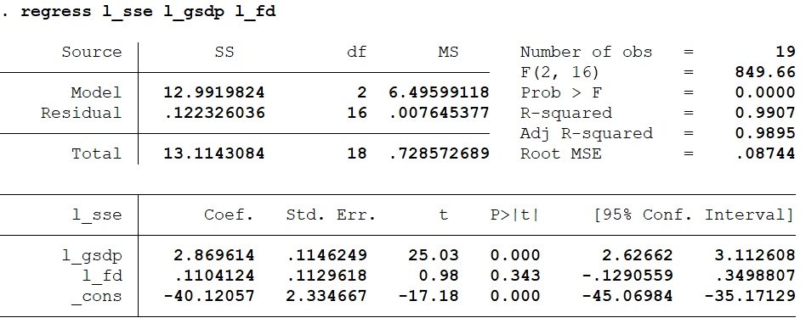

 | log gsdp significantly explains variations in log sse at 1%.


 | log sse significantly explains variations in log gsdp at 1%.
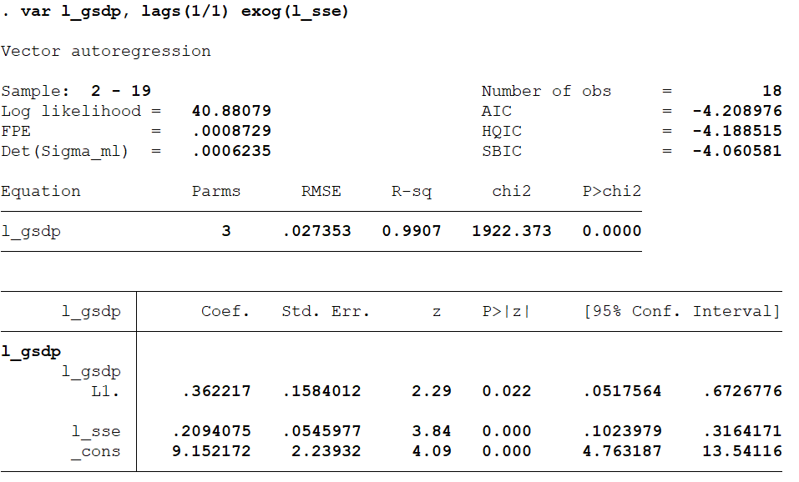

 | This is a granger causality test between log gsdp and log sse. This shows that log sse granger causes log gsdp, significantly at 1%.


 | This is a Granger causality test between log sse and log gsdp. This shows that log gsdp doesn't granger cause log sse, significantly at 10%.

